Agile Project Plan
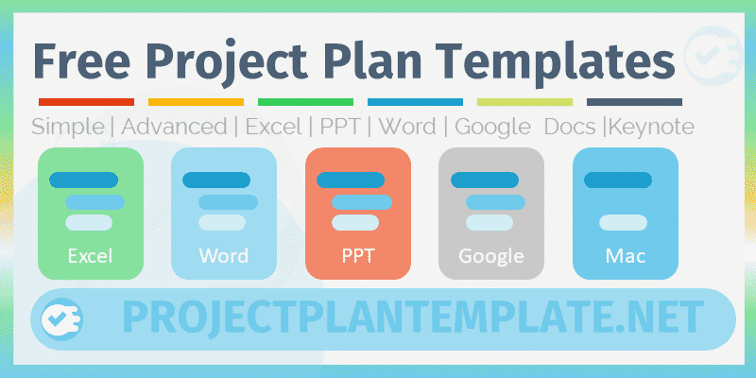
 | Agile Project Plan Template | Get our Premium Project Management Templates
 | Excel Template by ProjectPlanTemplate.Net

Info | Agile Project Plan Template for Project Planning and Management

Advanced Templates4
Usage | Enter the Project Details and the Project Timelines in the Required Columns of the Data Table. And the Gantt chart is created automatically based on your data.

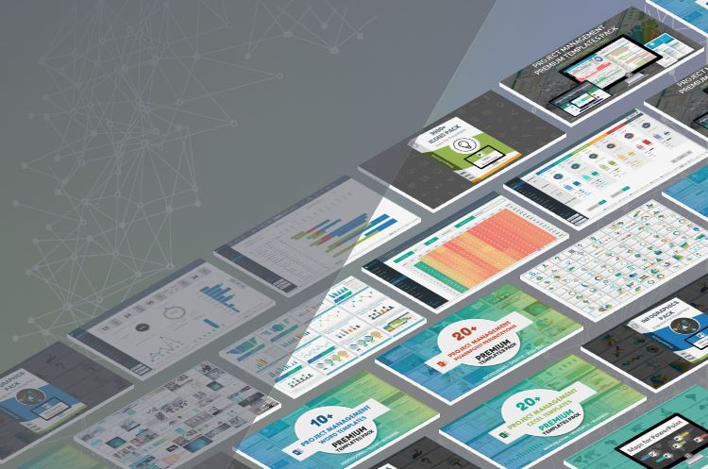

Please Share | ProjectPlanTemplate.Net is created for making useful templates for Project Management and Planning. Please share our file with your colleagues and friends, it helps us to create better tools and motivates us to build more templates based on the user suggestions.

4 Download Now
ProjectPlanTemplate.Net
Visit us

Agile Project Plan Template
Project Name | Enter Name of the Project |  |  |  |  |  |  |  | Gantt Chart

 | 55%
 | 45%
 | RESPONSIBLE | STATUS | REMARKS
Task Title 1 | 10/1/2019 | 81
Task Title 2 | 10/2/2019 | 42
Task Title 3 | 10/5/2019 | 5
Task Title 4 | 10/4/2019 | 7
Task Title 5 | 10/15/2019 | 14
Task Title 6 | 10/10/2019 | 21
Task Title 7 | 10/20/2019 | 10
Task Title 8 | 10/30/2019 | 14
Task Title 9 | 11/15/2019 | 42
Task Title 10 | 11/18/2019 | 26
Task Title 11 | 11/17/2019 | 10
Task Title 12 | 11/21/2019 | 22
Task Title 13 | 11/17/2019 | 44
Task Title 14 | 11/23/2019 | 46
Task Title 15 | 11/17/2019 | 16
Task Title 16 | 11/22/2019 | 22
Task Title 17 | 11/21/2019 | 12
Task Title 18 | 11/17/2019 | 51
Task Title 19 | 11/18/2019 | 38
Task Title 20 | 11/23/2019 | 5
TOTAL TASKS | 20 |  | DURATION | 99 |  | Overall Progress
Completed | 4 |  | START | 2019-10-01
In progress | 8 |  | FINISH | 2020-01-07 |  | 55%
Not Started | 8
 |  |  |  |  |  | 45%

SPRINT | TASKS | RESPONSIBLE | STORY POINTS | START | FINISH | DURATION | STATUS | REMARKS
Sprint 1 | Task Title 1 | Person 1 |  | 2019-10-01 | 2019-12-20 | 81 | Completed
 | Task Title 2 | Person 2 |  | 2019-10-02 | 2019-11-12 | 42 | In progress
 | Task Title 3 | Person 3 |  | 2019-10-05 | 2019-10-09 | 5 | Completed
 | Task Title 4 | Person 4 |  | 2019-10-04 | 2019-10-10 | 7 | In progress
 | Task Title 5 | Person 5 |  | 2019-10-15 | 2019-10-28 | 14 | In progress
 | Task Title 6 | Person 6 |  | 2019-10-10 | 2019-10-30 | 21 | Not Started
Sprint 2 | Task Title 7 | Person 7 |  | 2019-10-20 | 2019-10-29 | 10 | In progress
 | Task Title 8 | Person 8 |  | 2019-10-30 | 2019-11-12 | 14 | Not Started
 | Task Title 9 | Person 9 |  | 2019-11-15 | 2019-12-26 | 42 | Not Started
 | Task Title 10 | Person 10 |  | 2019-11-18 | 2019-12-13 | 26 | Completed
 | Task Title 11 | Person 1 |  | 2019-11-17 | 2019-11-26 | 10 | In progress
 | Task Title 12 | Person 2 |  | 2019-11-21 | 2019-12-12 | 22 | Completed
 | Task Title 13 | Person 3 |  | 2019-11-17 | 2019-12-30 | 44 | In progress
 | Task Title 14 | Person 4 |  | 2019-11-23 | 2020-01-07 | 46 | In progress
 | Task Title 15 | Person 5 |  | 2019-11-17 | 2019-12-02 | 16 | Not Started
Sprint 3 | Task Title 16 | Person 6 |  | 2019-11-22 | 2019-12-13 | 22 | In progress
 | Task Title 17 | Person 7 |  | 2019-11-21 | 2019-12-02 | 12 | Not Started
 | Task Title 18 | Person 8 |  | 2019-11-17 | 2020-01-06 | 51 | Not Started
 | Task Title 19 | Person 9 |  | 2019-11-18 | 2019-12-25 | 38 | Not Started
 | Task Title 20 | Person 10 |  | 2019-11-23 | 2019-11-27 | 5 | Not Started

